API TESTING
Test Scenario | Case ID | Test Case | Type | Test Steps | Expected Results | Actual Result | Date Test | Status | Catatan | Evidence

add new pet | TC01001 | add pet by valid data | positive | 1. pilih method POST | Response success for add new pet Status : 200 OK Body response : { "id": 987, "category": { "id": 1, "name": "string" }, "name": "piwpiw", "photoUrls": [ "string" ], "tags": [ { "id": 1, "name": "string" } ], "status": "available" } | Response success for add new pet Status : 200 OK Body Response : { "id": 987, "category": { "id": 1, "name": "string" }, "name": "piwpiw", "photoUrls": [ "string" ], "tags": [ { "id": 1, "name": "string" } ], "status": "available" } | 2023-12-08 | Pass |  | 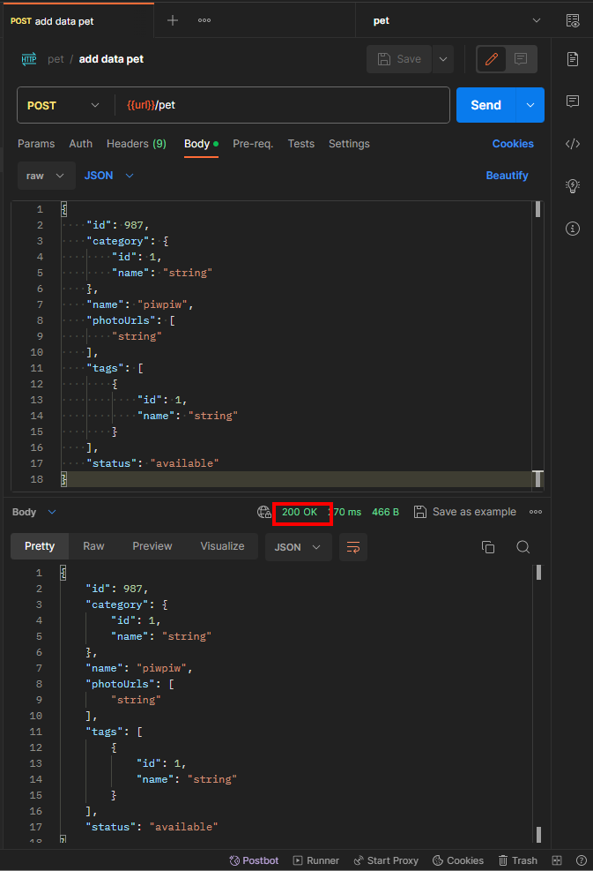
 |  |  |  | 2. hit endpoint : https://petstore.swagger.io/v2/pet
 |  |  |  | 3. body request : { "id": 987, "category": { "id": 1, "name": "string" }, "name": "piwpiw", "photoUrls": [ "string" ], "tags": [ { "id": 1, "name": "string" } ], "status": "available" }
 | TC01002 | add pet data valid but with method other than post | negative | 1. pilih method GET | Status : 405 Method Not Allowed | Status : 405 Method Not Allowed | 2023-12-08 | Pass |  | 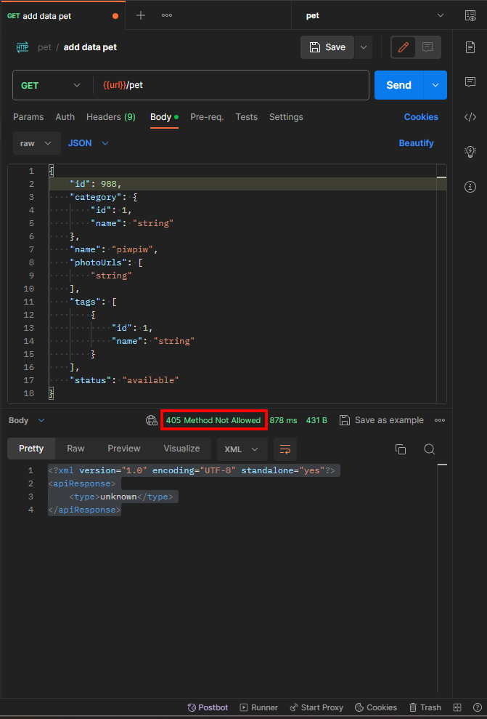
 |  |  |  | 2. hit endpoint : https://petstore.swagger.io/v2/pet
 |  |  |  | 3. body request : { "id": 988, "category": { "id": 1, "name": "string" }, "name": "piwpiw", "photoUrls": [ "string" ], "tags": [ { "id": 1, "name": "string" } ], "status": "available" }
 | TC01003 | add pet by valid data but data already exist | negative | 1. pilih method POST | Duplicate data already exist Status : 409 Conflict | Response success for add new pet Status : 200 OK Body Response : { "id": 987, "category": { "id": 1, "name": "string" }, "name": "piwpiw", "photoUrls": [ "string" ], "tags": [ { "id": 1, "name": "string" } ], "status": "available" } | 2023-12-08 | Fail |  | 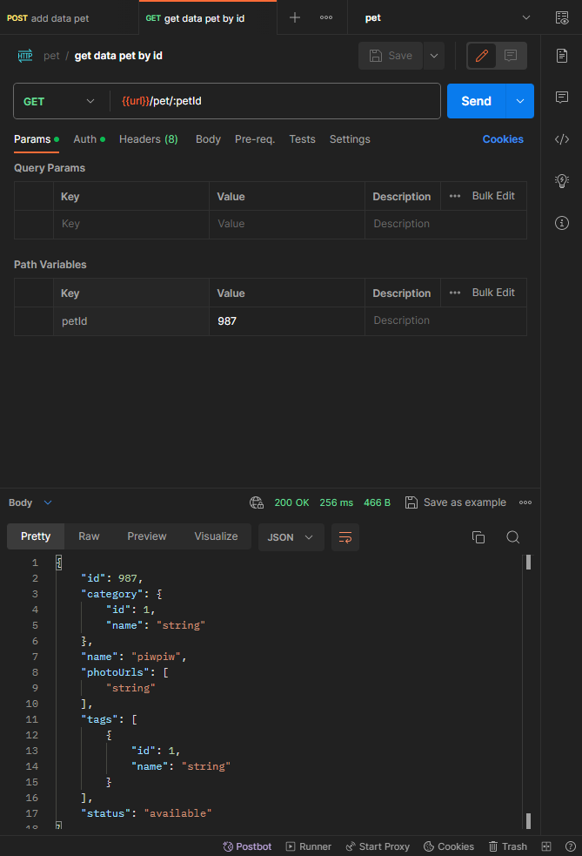 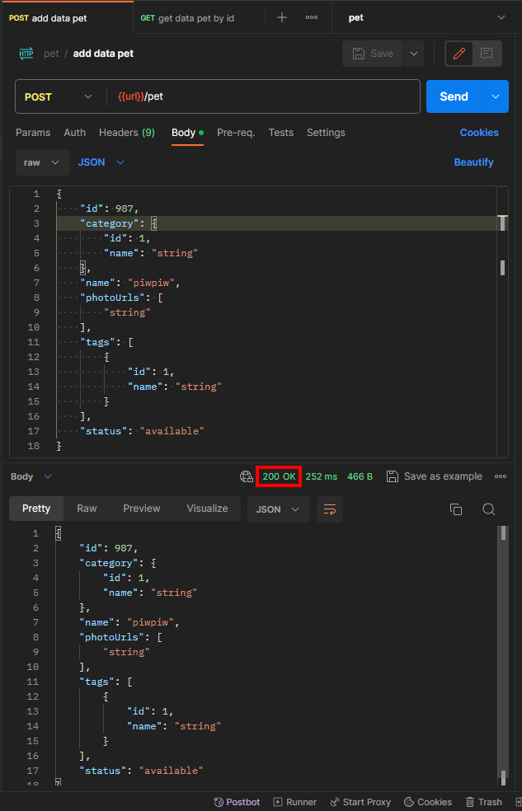
 |  |  |  | 2. hit endpoint : https://petstore.swagger.io/v2/pet
 |  |  |  | 3. body request : { "id": 987, "category": { "id": 1, "name": "string" }, "name": "piwpiw", "photoUrls": [ "string" ], "tags": [ { "id": 1, "name": "string" } ], "status": "available" }
 | TC01004 | add pet by invalid data id | negative | 1. pilih method POST | message : bad input Status : 400 Bad Request | message : bad input Status : 400 Bad Request | 2023-12-08 | Pass |  | 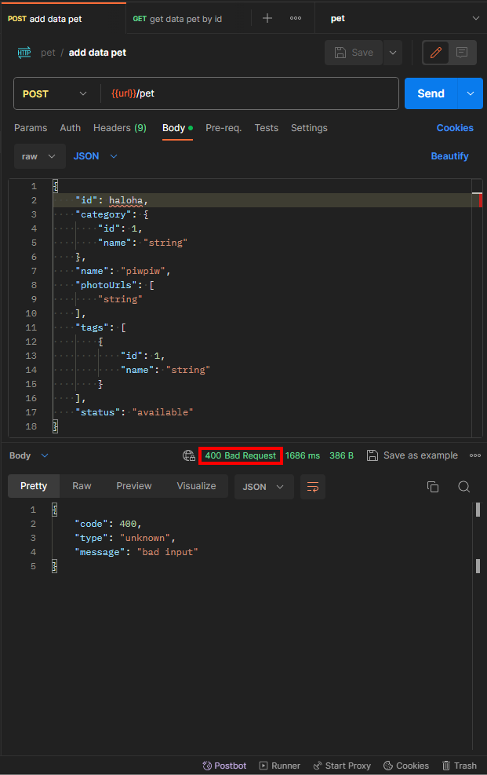
 |  |  |  | 2. hit endpoint : https://petstore.swagger.io/v2/pet
 |  |  |  | 3. body request : { "id": haloha, "category": { "id": 1, "name": "string" }, "name": "piwpiw", "photoUrls": [ "string" ], "tags": [ { "id": 1, "name": "string" } ], "status": "available" }
 | TC01005 | add pet by invalid data status (exclude available/pending/sold) | negative | 1. pilih method POST | message : bad input Status : 400 Bad Request | Response success for add new pet Status : 200 OK Body Response : { "id": 900, "category": { "id": 1, "name": "string" }, "name": "piwpiw", "photoUrls": [ "string" ], "tags": [ { "id": 1, "name": "string" } ], "status": "halooo" } | 2023-12-08 | Fail | in swagger only three status allowed (available, pending and sold) | 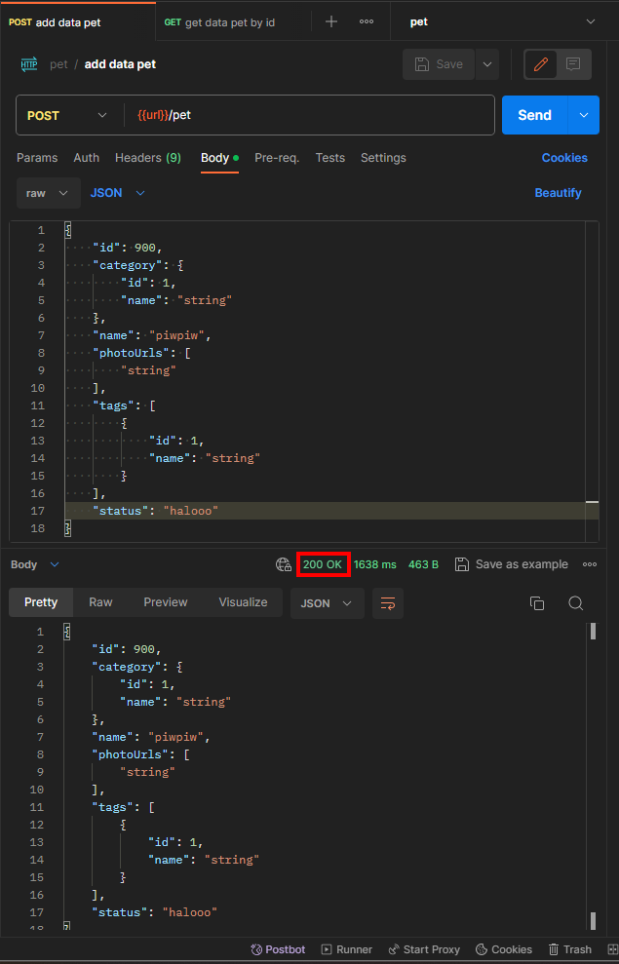 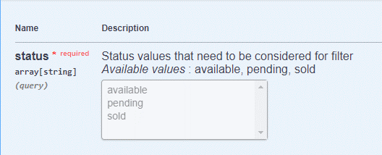
 |  |  |  | 2. hit endpoint : https://petstore.swagger.io/v2/pet
 |  |  |  | 3. body request : { "id": 900, "category": { "id": 1, "name": "string" }, "name": "piwpiw", "photoUrls": [ "string" ], "tags": [ { "id": 1, "name": "string" } ], "status": "halooo" }
get all data pet | TC01006 | get all data pet by status available/pending/sold | positive | 1. pilih method GET | Status : 200 OK Return all data pet with status available, sold, pending | Status : 200 OK Return all data pet with status available, sold, pending | 2023-12-08 | Pass | in swagger only three status allowed (available, pending and sold) | 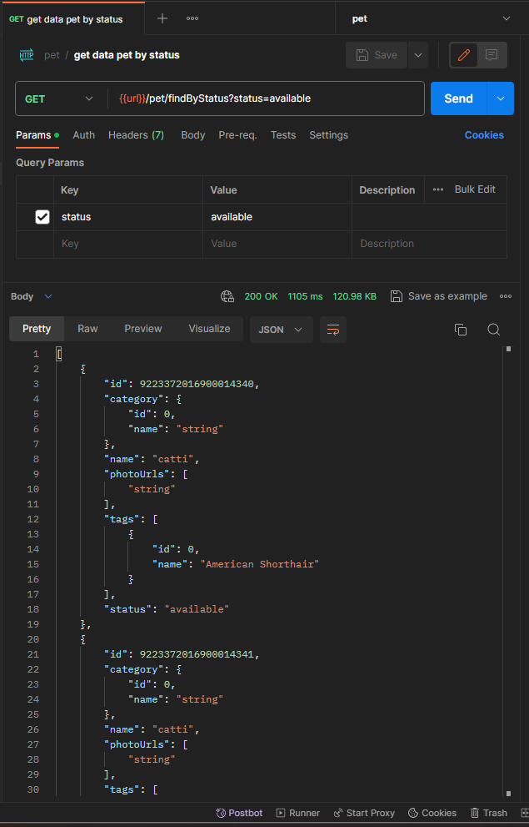 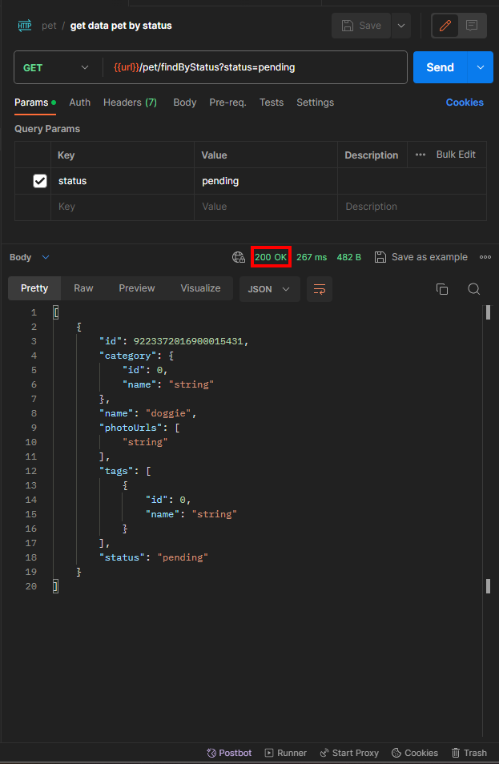 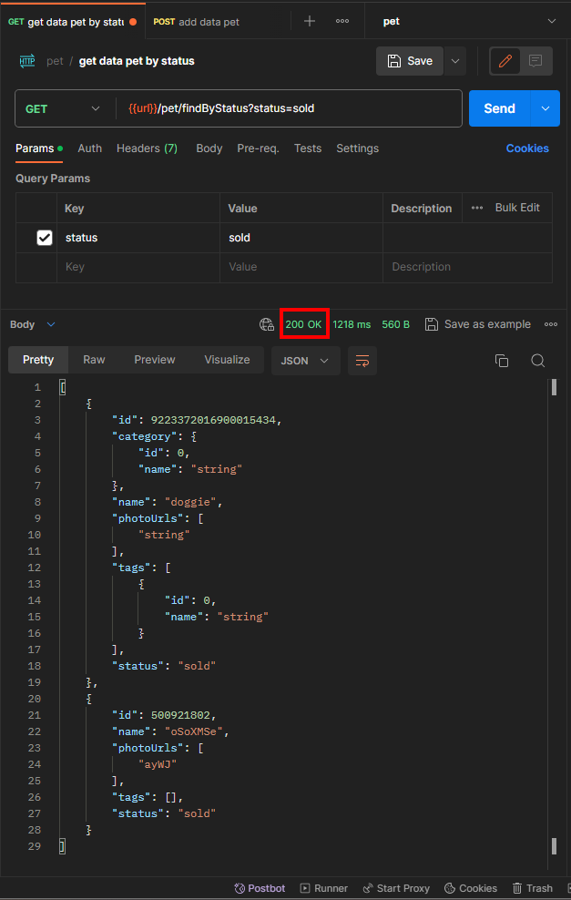
 |  |  |  | 2. hit endpoint : https://petstore.swagger.io/v2/pet/findByStatus?status=available https://petstore.swagger.io/v2/pet/findByStatus?status=sold https://petstore.swagger.io/v2/pet/findByStatus?status=pending
 | TC01007 | get all data pet by status invalid (exclude available/pending/sold) | negative | 1. pilih method GET | Status : 404 Bad Request | Status : 200 OK | 2023-12-08 | Fail | in swagger only three status allowed (available, pending and sold) | 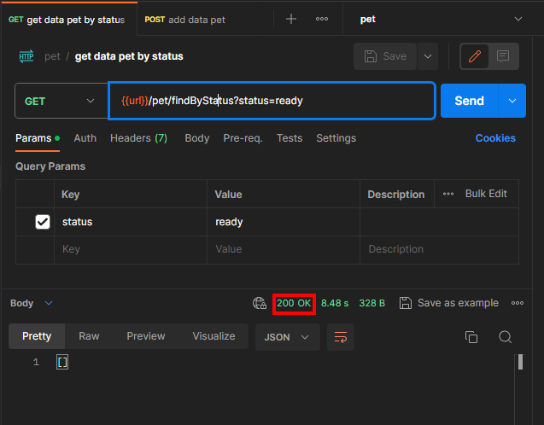
 |  |  |  | 2. hit endpoint : https://petstore.swagger.io/v2/pet/findByStatus?status=
update data pet | TC01008 | update data pet with name "piwpiw" into "powpow" | positive | 1. pilih method PUT | Status : 200 OK success update data Body Response : { "id": 987, "category": { "id": 1, "name": "string" }, "name": "powpow", "photoUrls": [ "string" ], "tags": [ { "id": 1, "name": "string" } ], "status": "available" } | Status : 200 OK success update data Body Response : { "id": 987, "category": { "id": 1, "name": "string" }, "name": "powpow", "photoUrls": [ "string" ], "tags": [ { "id": 1, "name": "string" } ], "status": "available" } | 2023-12-08 | Pass |  | 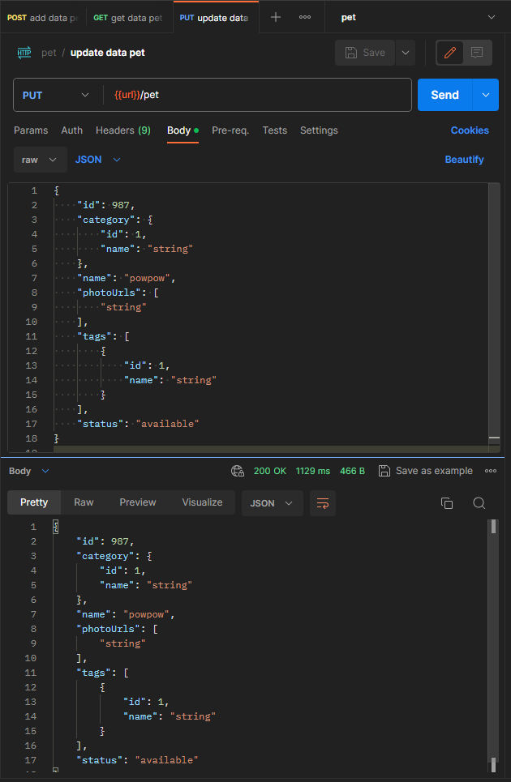
 |  |  |  | 2. hit endpoint : https://petstore.swagger.io/v2/pet
 |  |  |  | 3. Body Request : { "id": 987, "category": { "id": 1, "name": "string" }, "name": "powpow", "photoUrls": [ "string" ], "tags": [ { "id": 1, "name": "string" } ], "status": "available" }
 | TC01010 | update data pet does not exist | negative | 1. pilih method PUT | Status : 404 Not Found | Status : 200 OK | 2023-12-08 | Fail |  | 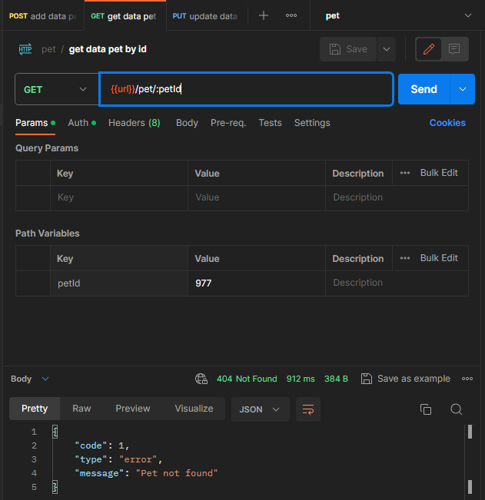 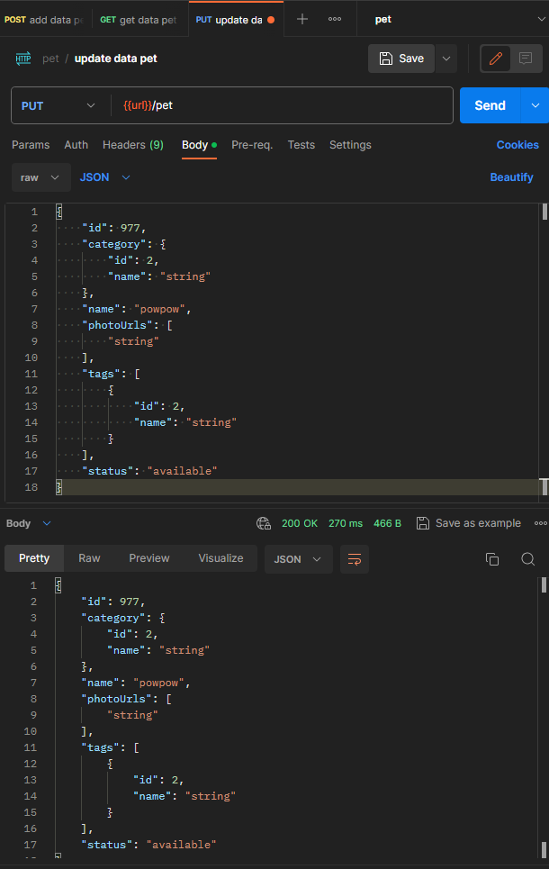
 |  |  |  | 2. hit endpoint : https://petstore.swagger.io/v2/pet
 |  |  |  | 3. Body Request : { "id": 977, "category": { "id": 2, "name": "string" }, "name": "powpow", "photoUrls": [ "string" ], "tags": [ { "id": 2, "name": "string" } ], "status": "available" }
delete data pet | TC01011 | delete data pet by id "987" | positive | 1. pilih method DELETE | Status : 200 OK | Status : 200 OK | 2023-12-08 | Pass |  | 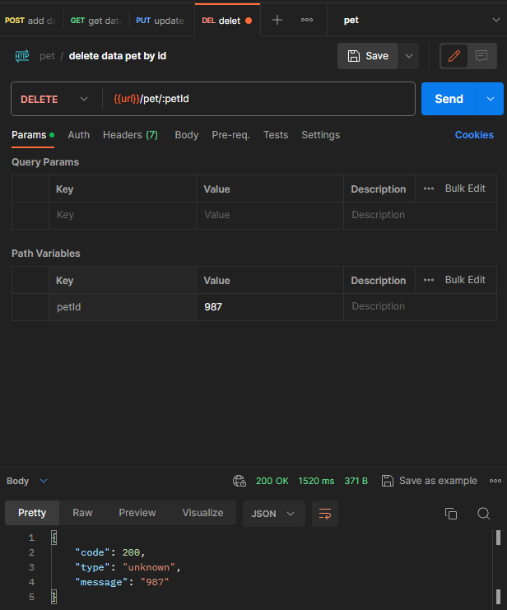
 |  |  |  | 2. hit endpoint : https://petstore.swagger.io/v2/pet/:petId
 |  |  |  | 3. path variable : key : petId value : 987
 | TC01012 | delete data pet does not exist | negative | 1. pilih method DELETE | Status : 404 Not Found | Status : 404 Not Found | 2023-12-08 | Pass | 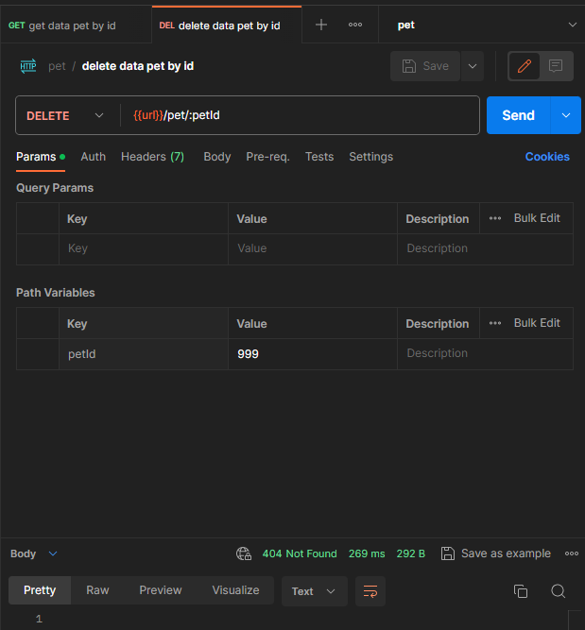 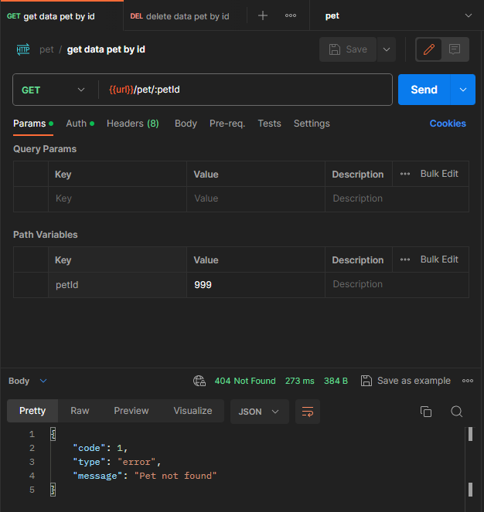
 |  |  |  | 2. hit endpoint : https://petstore.swagger.io/v2/pet/:petId
 |  |  |  | 3. path variable : key : petId value : 999
get detail data pet | TC01013 | get data by valid data id | positive | 1. pilih method GET | success get data by id Status : 200 OK | success get data by id Status : 200 OK | 2023-12-08 | Pass |  | 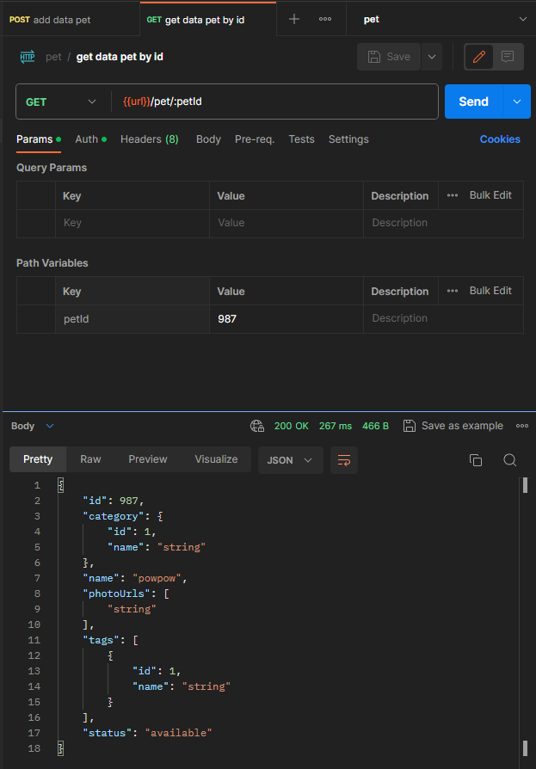
 |  |  |  | 2. hit endpoint : https://petstore.swagger.io/v2/pet/:petId
 |  |  |  | 3. path variable : key : petId value : 987
 | TC01014 | get data doest not exist | positive | 1. pilih method GET | message Pet not found Status : 404 Not Found | message Pet not found Status : 404 Not Found | 2023-12-08 | Pass |  | 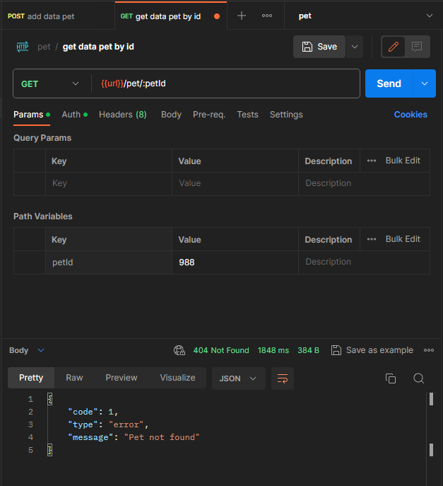
 |  |  |  | 2. hit endpoint : https://petstore.swagger.io/v2/pet/:petId
 |  |  |  | 3. path variable : key : petId value : 988
upload an image | TC01015 | upload an image in data pet already exist | positive | 1. pilih method POST | Status : 200 OK | Status : 200 OK | 2023-12-08 | Pass |  | 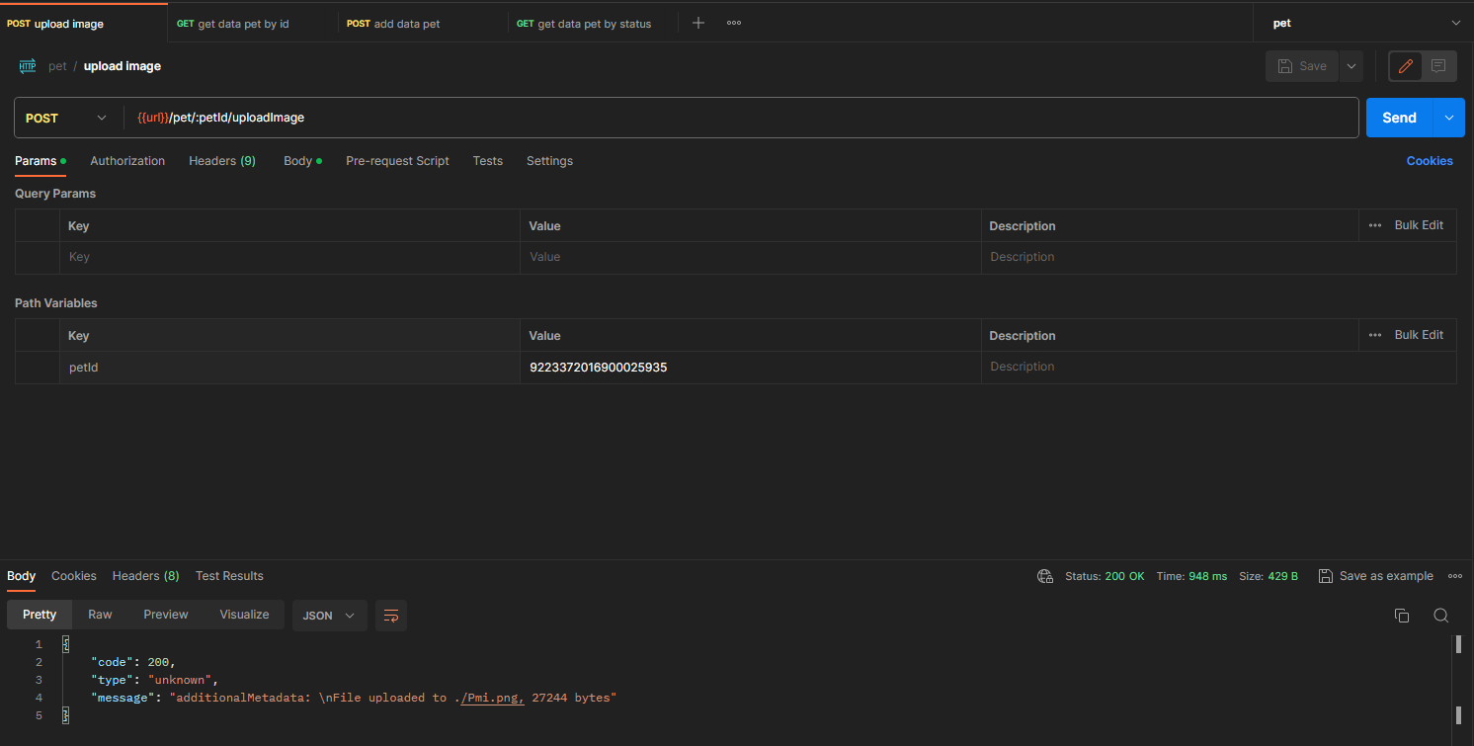 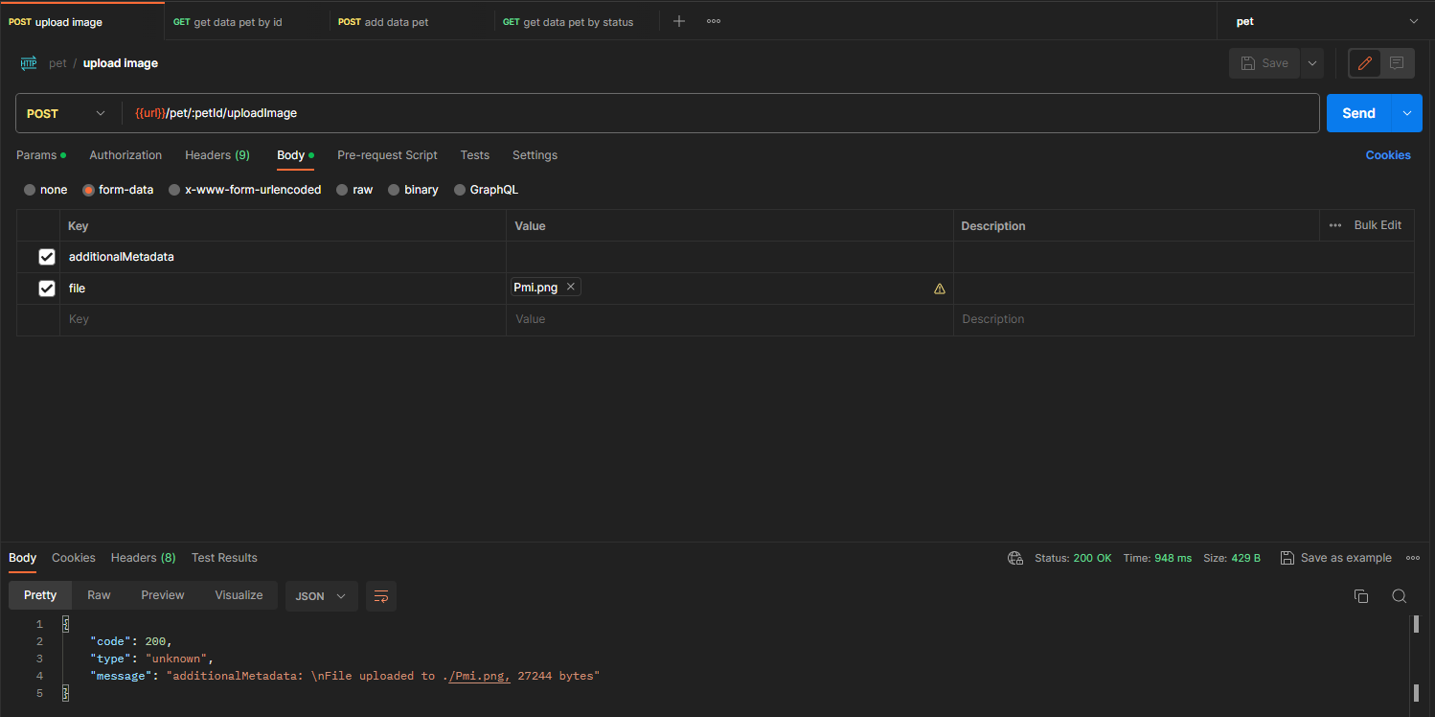
 |  |  |  | 2. hit endpoint : https://petstore.swagger.io/v2/pet/:petId/uploadImage
 |  |  |  | 3. path variable : key : petId value : 9223372016900025935
 |  |  |  | 4. form-data : additionalMetadata : text file : File

